Moda Fast
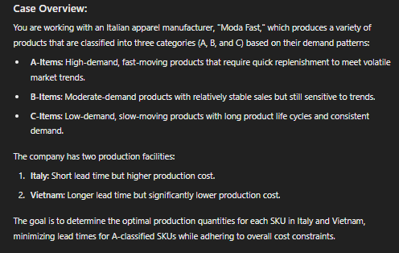

 |  |  |  |  |  |  |  |  |  | Objective
 |  |  |  |  |  |  |  |  |  | Decision
 |  |  |  |  |  |  |  |  |  | Fixed Data
 |  |  |  |  |  |  |  |  |  | Calcualtion
 | Demand (M) |  |  | Production Costs per unit |  | Lead Times (months) |  | Total production cost budget | $2,700,000,000
A Items | 20,000,000 |  |  | Italy (X) | $50 | Italy (X) | 1
B Items | 30,000,000 |  |  | Vietnam (Y) | $25 | Vietnam (Y) | 3 | Objective: Minimize lead time for A classified SKUs and optimize production quantities for all SKU while staying within the budget
C Items | 40,000,000
 |  |  |  | Demand | 90,000,000

 |  |  |  |  |  | max production |  | Lead time weight
 |  |  |  |  |  | Objective Function | 4.95E+16 | 99999999999
 |  |  |  |  |  |  |  | 99999
 |  |  |  |  |  |  |  | 999
 |  | Qty Produced per Item class | Total Cost | Total Lead time Weight |  |  |  | 10
Italy (X) | A Items | 0 | $- | 0 |  |  |  | 15
Italy (X) | B Items | 0 | $- | 0 |  |  |  | 20
Italy (X) | C Items | 0 | $- | 0
Vietnam (Y) | A Items | 20000000 | $500,000,000 | 200000000
Vietnam (Y) | B Items | 30000000 | $750,000,000 | 450000000
Vietnam (Y) | C Items | 40000000 | $1,000,000,000 | 800000000
 |  | 90,000,000 | $2,250,000,000 | 1,450,000,000

 | A Items | 20,000,000
 | B Items | 30,000,000
 | C Items | 40,000,000

